CASS- key process
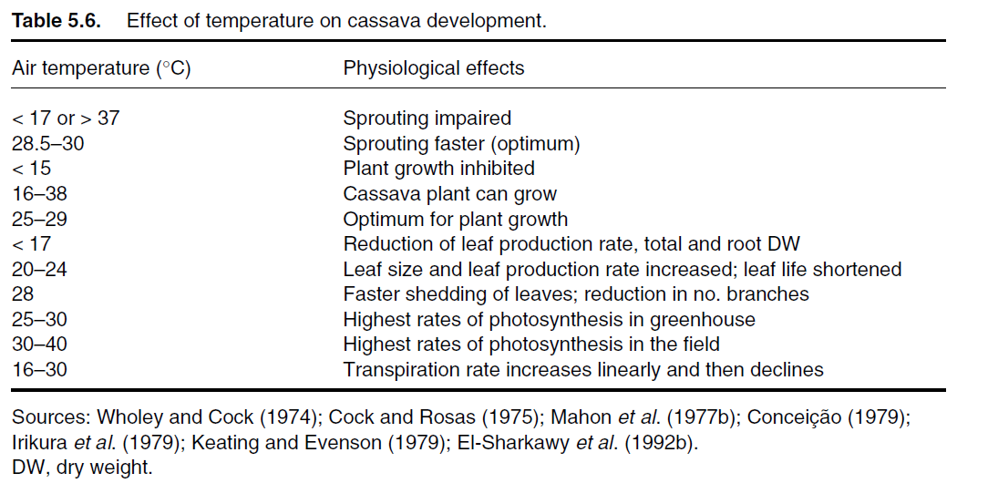
 |  |  |  | Base (Tmin), optimum (Topt) and maximum (Tmax) cardinal temperatures for key phenological phases and development stages in Cassava
 |  |  |  |  |  |  |  |  |  |  |  | Heat Stress
Crop | Phase | Stage from | Stage to | Literature source | Tmin (lower) | Tmin (upper) | Tmin (ºC) | Topt (lower) | Topt(upper) | Topt (ºC) | Tmax (ºC) | Tdamage * a temperaure that results in reduced yield (not just a delay of growth) | Tlethal | Species | Sub-species | Cultivar | Conditions | Review paper
Cassava | leaves |  |  | Kou 1992 |  |  |  |  |  |  |  |  | 50<<
Cassava | Sprouting | planting | sprout emergence | Keating and Evenson (1979) | 12.5 | 17.8 | 15.2 | 23 | 32 | 28.5 | 37 |  |  | Manihot esculenta | Manihot esculenta | MAus 7 | Lab heat stress test with cuttings | Veltkamp (1985); Matthews & Hunt (1994); tEl-sharkawy (2004)
Cassava | Sprouting | planting | sprout emergence | Keating and Evenson (1979) | 14.8 | 18.5 | 16.7 | 25 | 32 | 30 | 35 |  |  | Manihot esculenta | Manihot esculenta | MAus 10. | Lab heat stress test using cuttings, plus field validation | Veltkamp (1985); Matthews & Hunt (1994); tEl-sharkawy (2004)
Cassava | Sprouting | planting | sprout emergence | Fukai (1985) |  |  | 16.0 |  |  | 29 | 36 |  |  | Manihot esculenta | Manihot esculenta | ? | ? | Onwueme et al (1994)
Cassava | All | planting | harvest | Zhao (2019) |  |  | 12 |  |  | 28 | 38 | 50 |  | Manihot esculenta | Manihot esculenta | MCol-1684 | Modelled | Zhao (2019)

 |  |  |  |  |  |  | 15 |  |  | 29 | 37 | 50

* note There are no references to heat stress resulting in damage or death of cassava under field conditions (although Jarvis et al (2012) states that excess heat mey become an issue in northern India under climate change). Based on the estimates of cardinal temperature the most temperature sensitive stage is sprouting of the planted setts (Alves 2002). The Tmax for Sprouting means that sprouting will fail above this temperature, but the plant will recover. The 50 C value for Tdamage is based on failure of photosynthesis under laboratory conditions.
* note In some cases the studies use soil temperature- Connor( 2019) use a conversion to transform air to soil temperature: Soil temperature lags 2 h behind air temperature and has half the daily amplitude.
* note If we decide to use tuber formation as the key process for all crops, the damage temperature remains the same

